Important Insights
The Total North American Sales for all year for Puzzle Games are 123,78 millions.

Action Games had the most sales in North America in the year 2008.

The Publishers that have released games for PS4 are:
505 Games, 5pb, Acquire, Activision, Askys Games, Alternative Software, Aqua Plus, Arc System Works, Atlus, Avanquest, Bethesda Softworks,
Bigben Interactive, Capcom, Codemasters, Compile Heart, D3 Publisher, Deep Silver, Devolver Digital, Disney Intersactive Studios, Dusenberry
Martin Racing, Electronic Arts, Epic Games, Focus Home Interactive, FuRyu Corporation, Harmonix Music Systems, Hello Games, Idea Factory,
Idea Factory International, Insomniac Games, Introversion Software, Kalypso Media, Koch Media, Konami Digital Entertainment, Little Orbit,
Marvelous Interactive, Microids, Milestone S.r.l., Mojang, Namco Bandai Games, Nihon Falcom Corporation, Nippon Ichi Software, Nordic Games,
Pqube, Rebellion Development, Revolution Software, Rising Star Games, Sega, Slightly Mad Studios, Sold Out, Sony Computer Entertainment,
Sony Computer Entertainment America, Sony Computer Entertainment Europe, Square Enix, System 3, Take-Two Interactive, Tecmo Koei, Telltale
Games, TopWare Interactive, Tru Blu Entertainment, Ubisoft, UIG Entertainment, Unknown, Warner Bros. Interactive Entertainment, Xseed Games,
Yacht Club Games, Yeti.
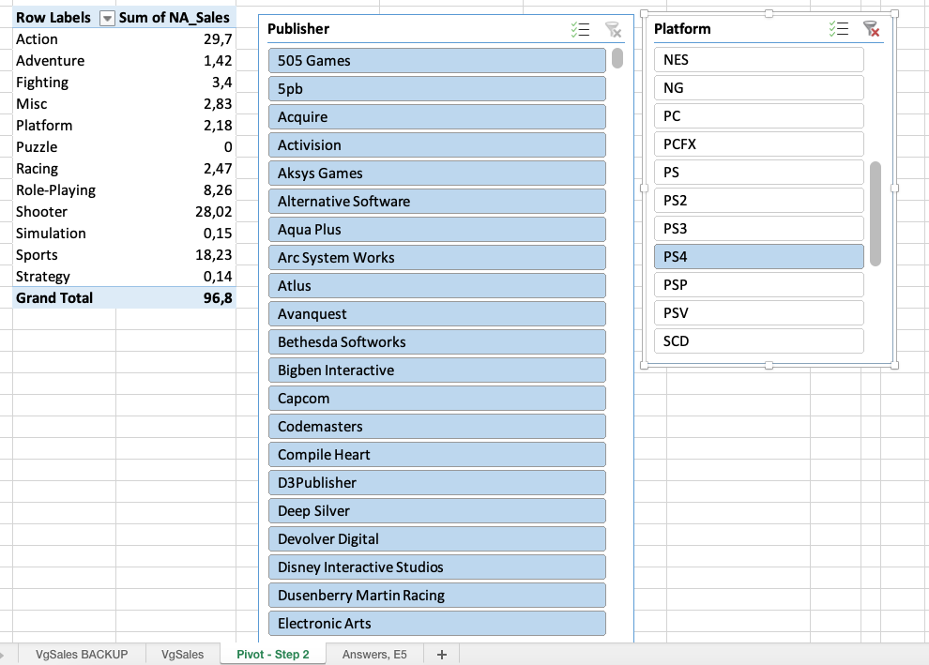

The publisher making the largest number of games on PS4 is Namco Bandai Games.

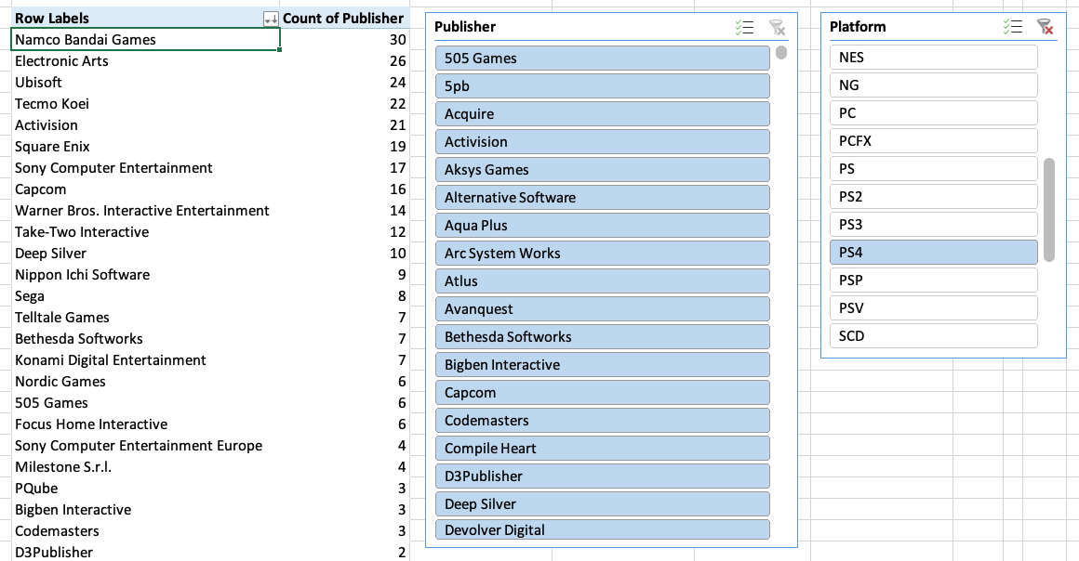

The grand total North American Sales for all Playstation Consoles is 1409,33 millions.
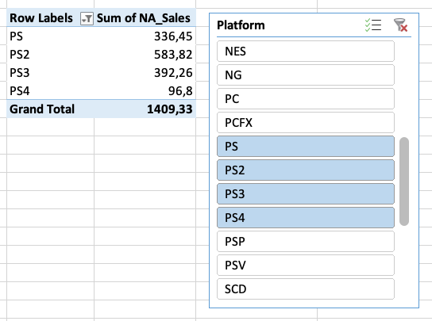

Activision most successful genre for N64 in North America is Sports.

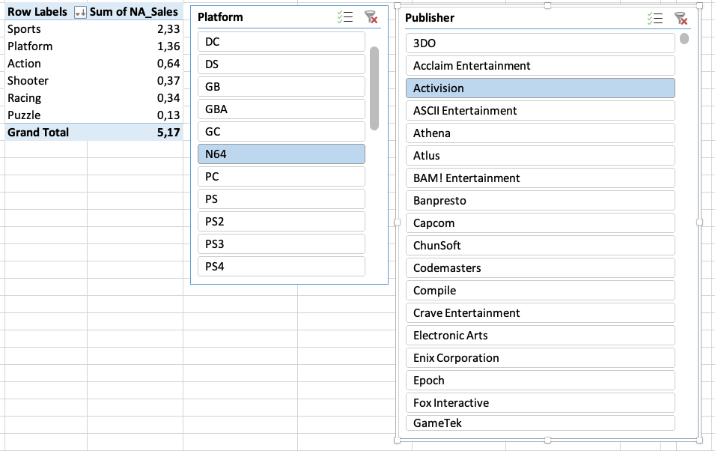

The total European Sales for Action-Adventure Games in 2010 were 40,99 millions.

The years where the Action Adventure games had the lowest Japanese sales were 1980, 1981, 1982, 1983, 2017.

The number of records in this data set for Sports Games on PS4 in 2015 are 15 records.

The percentage of Global Sales that came from Japan Of Ghostlight is 36,8%.

Apart from Strategy that is the lowest overall genre in North America, I would have expected that Fighting Videogames would have higher sales.

I would have expected that Nintendo would have much more titles, considering it is one of the oldest (if not the oldest indeed!).
It is worth noting that anyway Nintendo, despite having almost half titles of the highest publisher (which is Electronic Arts), it is indeed the Publisher
that has the highest sales amount. This means that Nintendo need way less title in order to make the most income, and I think this is somehow
very cost effective.

I think the year 2000 had lower sales expected considering that the previous years there was a constant increase year by year.
Another thing I've noticed is that from the year 2012 the sales had a steep decline that continued also on the years after that, 2016 had even
a bigger decrease compared to previous years.

I will look further on this dataset and talk with my mentor aswell trying to understand with his advice on what I can look to offer important insights.
At the moment I have looked at the dataset and I have realised that the genre Platform and Racing are considered quite popular, but in the last year
where data was collected they had very low numbers of titles release; perhaps maybe an idea for a new Videogame launch could be one of these two
categories. Even more interesting is that the genre Platform had higher sales despite launching 50% less titles than Racing.
This could be a sign that the genre Platform can have higher sales even with a low amount of launch, so i guess it could be a good reason to consider
to launch a Videogame in this genre to expect a good amount of sales.
I still think that all these findings should be probably confirmed with other type of deeper analysis.

